Optimization
For geometry only | Inputs | Data block, don't change
Energy (keV) | 30 | Material | Lattice spacing (m) | s11 | s12 | s44
Crystal material | Si | Si | 5.4309402E-10 | 0.768 | -0.214 | 1.26
Reflection, h | 1 | Ge | 5.66E-10 | 0.964 | -0.26 | 1.49
Reflection, k | 1 | C | 3.57E-10 | 0.0949 | -0.00978 | 0.173
Reflection, l | 1 | other | no input
θB (°) | 3.779
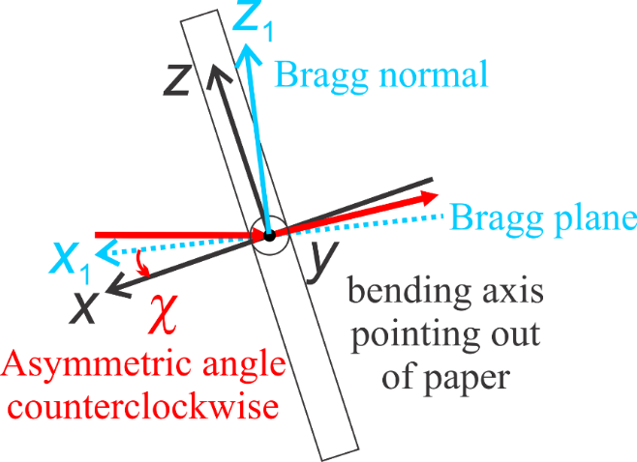
 | OK
Y, Bending, h | 0
Y, Bending, k | -1
Y, Bending, l | 1
χ (deg) | 2.000

Poisson's ratio (νZX) | 0.193
┴ ref, h | -2
┴ ref, k | 1
┴ ref, l | 1
X, Surface, h | -0.836
X, Surface, k | 0.388
X, Surface, l | 0.388
Z, h | 0.776
Z, k | 0.836
Z, l | 0.836
C factor | 1.00
normalized X, h | -0.836
normalized X, k | 0.388
normalized X, l | 0.388
normalized Y, h | 0.000
normalized Y, k | -0.707
normalized Y, l | 0.707
normalized Z, h | 0.549
normalized Z, k | 0.591
normalized Z, l | 0.591
Z1, normalized reflection, h | 0.577
Z1, normalized reflection, k | 0.577
Z1, normalized reflection, l | 0.577
X1, normalized ┴ ref, h | -0.816
X1, normalized ┴ ref, k | 0.408
X1, normalized ┴ ref, l | 0.408
sc | 0.352
s11 | 0.604
s22 | 0.592
s33 | 0.534
s13 | -0.103
s12 | -0.161
s23 | -0.091
s14 | 0.000
s15 | -0.177
s16 | 0.000
s24 | 0.000
s25 | 0.161
s26 | 0.000
s34 | 0.000
s35 | 0.016
s36 | 0.000
s56 | 0.000
s46 | 0.323
s45 | 0.000
s44 | 1.752
s55 | 1.704
s66 | 1.472
s'31 | -0.193
s'32 | -0.170
s'63 | 0.000
s'43 | 0.000
s'21 | -0.272

